ISA Germany Map 14.02.2022
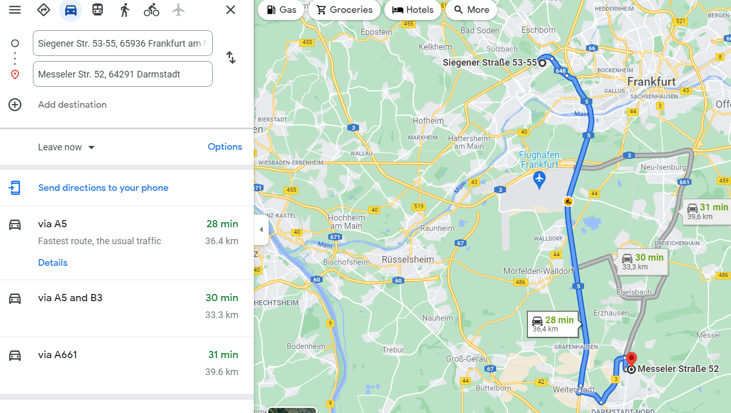
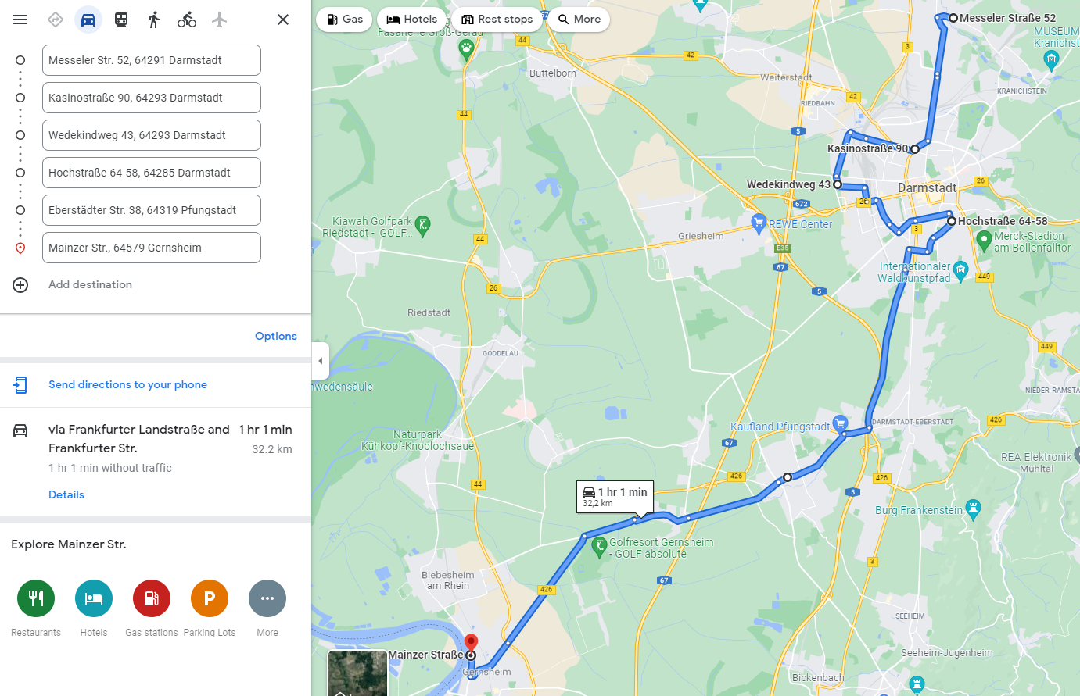
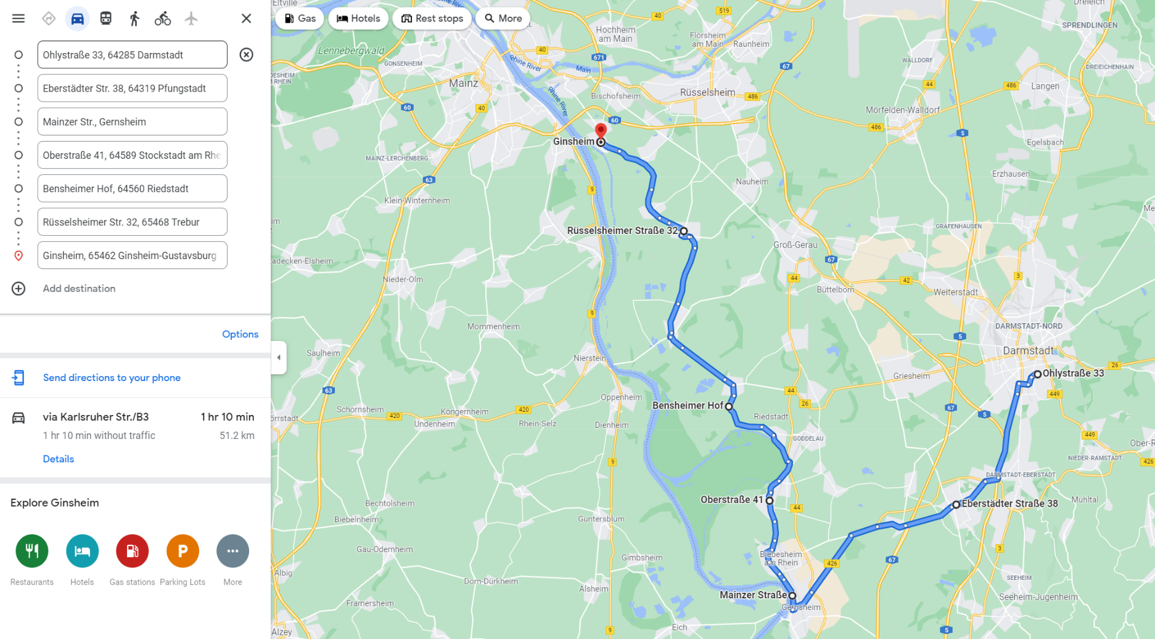
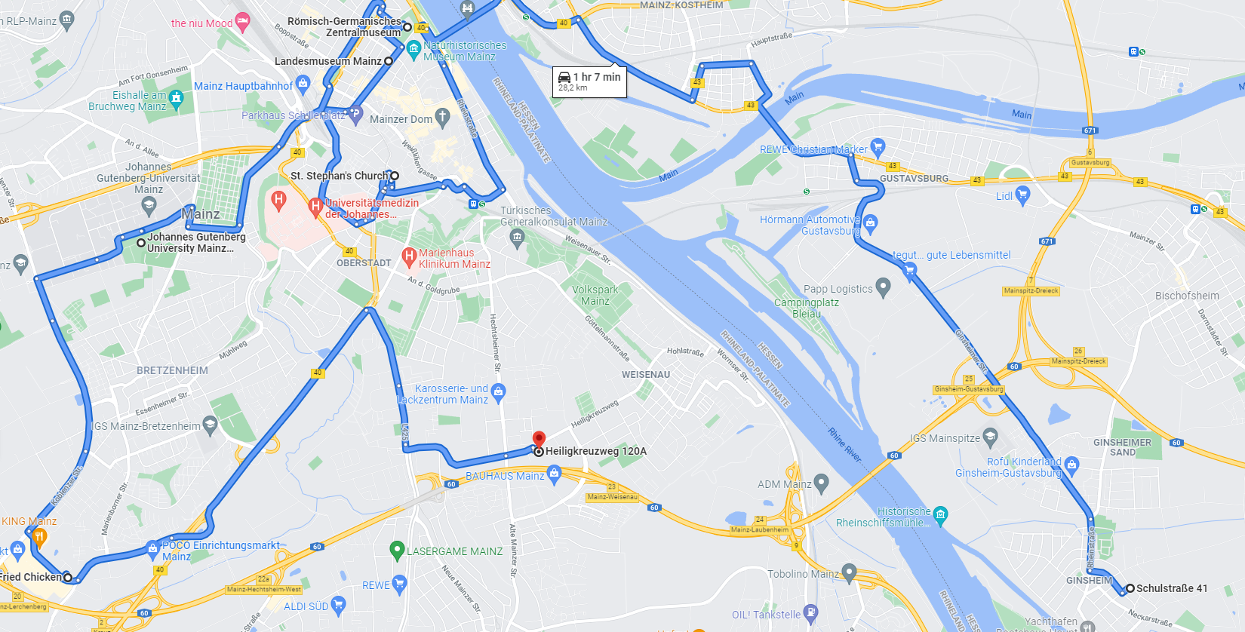
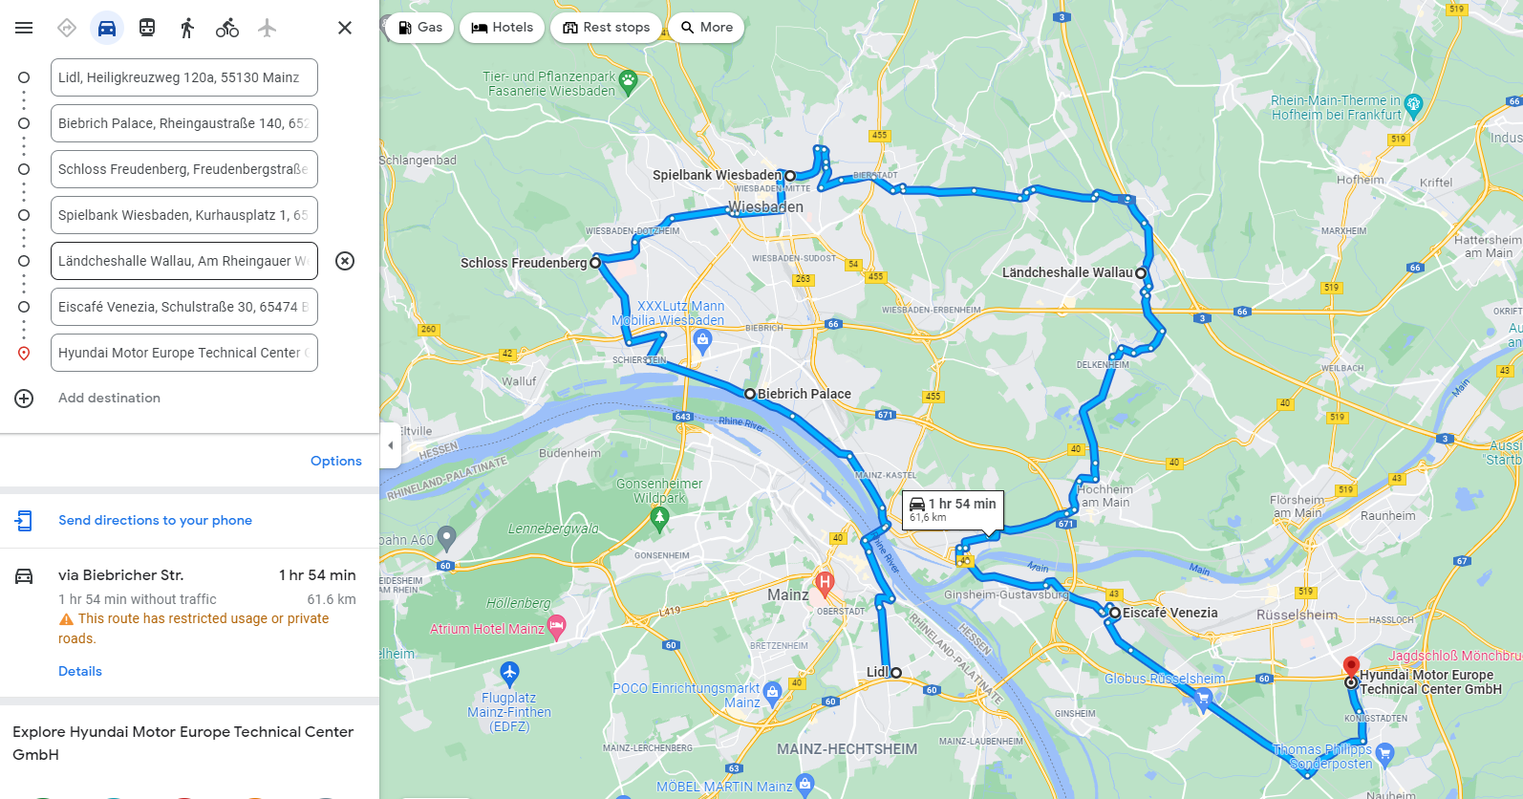
 | Route:
 |  | Start | End |  | Route Option | Distance |  | time( minute ) | Time (hour)
 | Details
1 | Day 1 | HMETC | Wittgenborner Str. 9, 63607 Wächtersbach | Highway, country road, city | - | 82.2 |  | 60
2 |  | Wittgenborner Str. 9, 63607 Wächtersbach | Zum Feldberg 46, 61389 Schmitten | Country road, city | Avoid Highways | 81.0 |  | 80
3 |  | Zum Feldberg 46, 61389 Schmitten | Kaiserleipromenade 5, 63067 Offenbach am Main | Highway, country road | Avoid Highways | 37.7 |  | 40
4 |  | Kaiserleipromenade 5, 63067 Offenbach am Main | Otto-Schott-Straße 1, 60438 Frankfurt am Main | city | Avoid Highways | 14.1 |  | 37
 |  | Otto-Schott-Straße 1, 60438 Frankfurt am Main | FES Altglascontainer, Kirchpl. 11, 60487 Frankfurt am Main | city | Avoid Highways | 9.2 |  | 16
 |  | FES Altglascontainer, Kirchpl. 11, 60487 Frankfurt am Main | Allego Charging Station, Goldsteinstraße 237, 60528 Frankfurt am Main | city | Avoid Highways | 8.9 |  | 23

 | Day 2 | Allego Charging Station, Goldsteinstraße 237, 60528 Frankfurt am Main | Am Wiesenhof 48, 60529 Frankfurt am Main | city | Avoid Highways | 0.7 |  | 2
 |  | Am Wiesenhof 48, 60529 Frankfurt am Main | Siegener Str. 53-55, 65936 Frankfurt am Main | city | Avoid Highways | 10.0 |  | 20
 |  | Siegener Str. 53-55, 65936 Frankfurt am Main | Messeler Str. 52, 64291 Darmstadt | Highway, country road | - | 36.4 |  | 28
6 |  | Messeler Str. 52, 64291 Darmstadt | Kasinostraße 90, 64293 Darmstadt | Country road, city | Avoid Highways | 4.2 |  | 11
 |  | Kasinostraße 90, 64293 Darmstadt | Wedekindweg 43, 64293 Darmstadt | Country road, city | Avoid Highways | 3.3 |  | 7
 |  | Wedekindweg 43, 64293 Darmstadt | Hochstraße 64-58, 64285 Darmstadt | Country road, city | Avoid Highways | 4.2 |  | 12
 |  | Hochstraße 64-58, 64285 Darmstadt | Eberstädter Str. 38, 64319 Pfungstadt | Country road, city | Avoid Highways | 9.2 |  | 15
 |  | Eberstädter Str. 38, 64319 Pfungstadt | Mainzer Str. 35, 64579 Gernsheim | Country road, city | Avoid Highways | 11.5 |  | 16

 | Night 1 | Mainzer Str. 35, 64579 Gernsheim | Oberstraße 41-51, 64589 Stockstadt am Rhein | Country road, city | Avoid Highways | 5.4 |  | 7
 |  | Oberstraße 41-51, 64589 Stockstadt am Rhein | Erfelder Strasse 44, Riedstadt | Country road, city | Avoid Highways | 7.8 |  | 11
 |  | Erfelder Strasse 44, Riedstadt | Rüsselsheimer Str. 30, 65468 Trebur | Country road, city | Avoid Highways | 10.5 |  | 13
 |  | Rüsselsheimer Str. 30, 65468 Trebur | Schulstraße 41, 65462 Ginsheim-Gustavsburg | Country road, city | Avoid Highways | 7.0 |  | 8

 | Night 2 | Schulstraße 41, 65462 Ginsheim-Gustavsburg | St. Stephan's Church, Kleine Weißgasse 12, 55116 Mainz | Country road, city | Avoid Highways | 12.0 |  | 21
 |  | St. Stephan's Church, Kleine Weißgasse 12, 55116 Mainz | Landesmuseum Mainz, Große Bleiche 49-51, 55116 Mainz | Country road, city | Avoid Highways | 2.4 |  | 22
 |  | Landesmuseum Mainz, Große Bleiche 49-51, 55116 Mainz | Römisch-Germanisches Zentralmuseum, Ernst-Ludwig-Platz 2, 55116 Mainz | Country road, city | Avoid Highways | 0.6 |  | 9
9 |  | Römisch-Germanisches Zentralmuseum, Ernst-Ludwig-Platz 2, 55116 Mainz | Johannes Gutenberg University Mainz Botanical Garden, Anselm-Franz-von-Bentzel-Weg 9, 55128 Mainz | Country road, city | Avoid Highways | 3.7 |  | 13
 |  | Johannes Gutenberg University Mainz Botanical Garden, Anselm-Franz-von-Bentzel-Weg 9, 55128 Mainz | Kentucky Fried Chicken, Haifa-Allee 42, 55128 Mainz | Country road, city | Avoid Highways | 3.7 |  | 7
 |  | Kentucky Fried Chicken, Haifa-Allee 42, 55128 Mainz | Lidl, Heiligkreuzweg 120a, 55130 Mainz | Country road, city | Avoid Highways | 5.8 |  | 11
 |  | Lidl, Heiligkreuzweg 120a, 55130 Mainz | Biebrich Palace, Rheingaustraße 140, 65203 Wiesbaden | Country road, city | Avoid Highways | 9.7 |  | 20
 |  | Biebrich Palace, Rheingaustraße 140, 65203 Wiesbaden | Schloss Freudenberg, Freudenbergstraße 224-226, 65201 Wiesbaden | Country road, city | Avoid Highways | 6.4 |  | 12
 |  | Schloss Freudenberg, Freudenbergstraße 224-226, 65201 Wiesbaden | Spielbank Wiesbaden, Kurhausplatz 1, 65189 Wiesbaden | Country road, city | Avoid Highways | 6.4 |  | 15
 |  | Spielbank Wiesbaden, Kurhausplatz 1, 65189 Wiesbaden | Ländcheshalle Wallau, Am Rheingauer Weg 21, 65719 Hofheim am Taunus | Country road, city | Avoid Highways | 12.5 |  | 21
 |  | Ländcheshalle Wallau, Am Rheingauer Weg 21, 65719 Hofheim am Taunus | Eiscafé Venezia, Schulstraße 30, 65474 Bischofsheim | Country road, city | Avoid Highways | 16.4 |  | 28
 |  | Eiscafé Venezia, Schulstraße 30, 65474 Bischofsheim | Hyundai Motor Europe Technical Center GmbH, Hyundai-Platz, 65428 Rüsselsheim am Main | Country road, city | Avoid Highways | 10.2 |  | 15

 |  |  |  | Total |  | 433.1 | Total time ( min ) | 600 | 10.0

 | Highway road

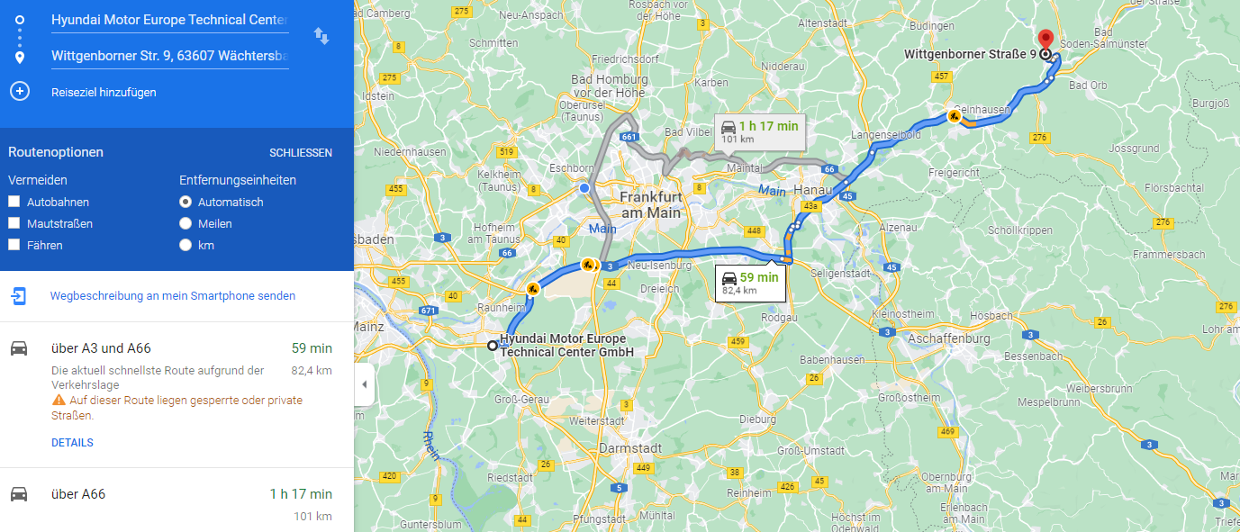

 |  |  |  |  |  |  | road type | start | road change | distance | road |  | Road Type (total ) | Distance Driven (km) | Ratio in ( % )
 |  |  |  |  |  | HMETC | highway | 0 | 38.6 | 38.6 | A67- A3 |  | Highway | 136.9 | 35%
 |  |  |  |  |  |  | country | 38.6 | 48.1 | 9.5 | B45 - B43A |  | Country | 143.3 | 36%
 |  |  |  |  |  |  | highway | 48.1 | 76.5 | 28.4 | A66 |  | City | 114.3 | 29%
 |  |  |  |  |  |  | country | 76.5 | 79.7 | 3.2 | B276 |  | Total distance | 394.5
 |  |  |  |  |  |  | city | 79.7 | 81.5 | 1.8
 |  |  |  |  |  |  | country | 81.5 | 84.3 | 2.8
 |  |  |  |  |  |  | city | 84.3 | 85.7 | 1.4
 |  |  |  |  |  |  | country | 85.7 | 88.4 | 2.7
 |  |  |  |  |  |  | city | 88.4 | 89 | 0.6
 |  |  |  |  |  |  | country | 89 | 90.2 | 1.2
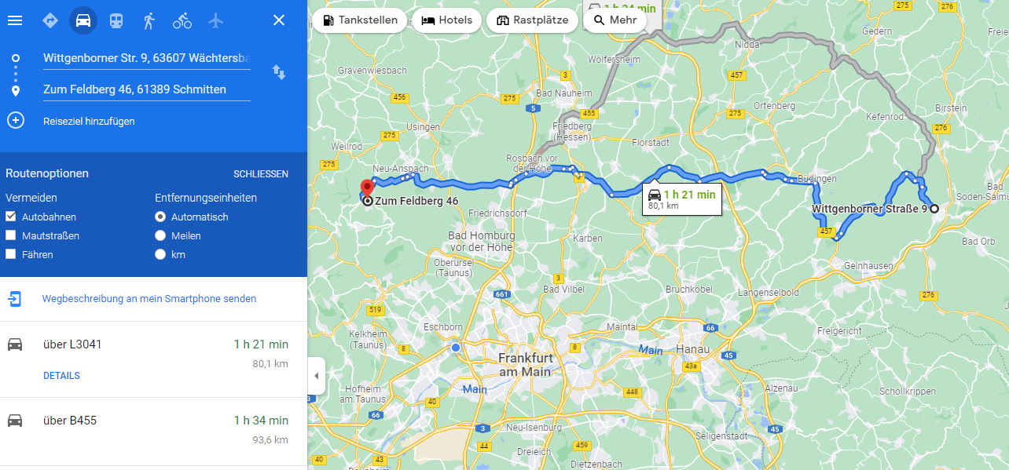
 |  |  |  |  |  |  | city | 90.2 | 91.2 | 1
 |  |  |  |  |  |  | country | 91.3 | 93.3 | 2
 |  |  |  |  |  |  | city | 93.3 | 94.7 | 1.4
 |  |  |  |  |  |  | country | 94.7 | 95.7 | 1
 |  |  |  |  |  |  | city | 95.7 | 96.6 | 0.9
 |  |  |  |  |  |  | country | 96.6 | 101.6 | 5
 |  |  |  |  |  |  | city | 101.6 | 104 | 2.4
 |  |  |  |  |  |  | country | 104 | 105.7 | 1.7
 |  |  |  |  |  |  | city | 105.7 | 106.5 | 0.8
 |  |  |  |  |  |  | country | 106.5 | 109 | 2.5
 |  |  |  |  |  |  | city | 109 | 110.1 | 1.1
 |  |  |  |  |  |  | country | 110.1 | 115.2 | 5.1 | B521
 |  |  |  |  |  |  | city | 115.2 | 116.4 | 1.2
 |  |  |  |  |  |  | country | 116.4 | 126 | 9.6 | B45
 |  |  |  |  |  |  | city | 126 | 126.8 | 0.8
 |  |  |  |  |  |  | country | 126.8 | 129.8 | 3 | B45
 |  |  |  |  |  |  | city | 129.8 | 130.9 | 1.1
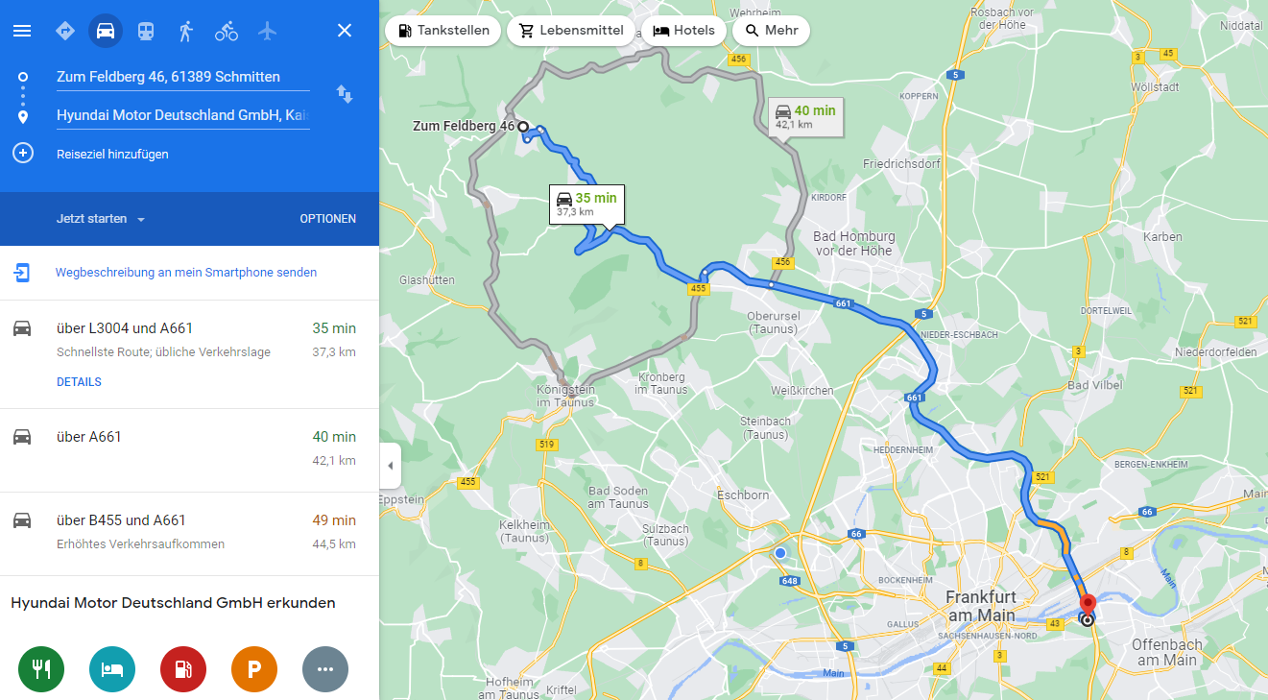
 |  |  |  |  |  |  | country | 130.9 | 132.3 | 1.4
 |  |  |  |  |  |  | city | 132.3 | 133.8 | 1.5
 |  |  |  |  |  |  | country | 133.8 | 138.2 | 4.4 | L3204 - L3041
 |  |  |  |  |  |  | city | 138.2 | 139.8 | 1.6
 |  |  |  |  |  |  | country | 139.8 | 153.5 | 13.7
 |  |  |  |  |  |  | city | 153.5 | 154.6 | 1.1
 |  |  |  |  |  |  | country | 154.6 | 158.7 | 4.1
 |  |  |  |  |  |  | city | 158.7 | 159 | 0.3
 |  |  |  |  |  |  | country | 159 | 160.1 | 1.1 | B456
 |  |  |  |  |  |  | city | 160.1 | 162.2 | 2.1
 |  |  |  |  |  |  | country | 162.2 | 173.4 | 11.2 | B455
 |  |  |  |  |  |  | city | 173.4 | 173.8 | 0.4 | A661
 |  |  |  |  |  |  | country | 173.8 | 177.1 | 3.3 | offenbach kaiserlai - frankfurt city
 |  |  |  |  |  |  | highway | 177.1 | 197.1 | 20 | frankfurt city
 |  |  |  |  |  |  | city | 197.1 | 211.3 | 14.2 | Lange Meile
 |  |  |  |  |  |  | country | 211.3 | 214.8 | 3.5
 |  |  |  |  |  |  | city | 214.8 | 232.2 | 20.9 | frankfurt city
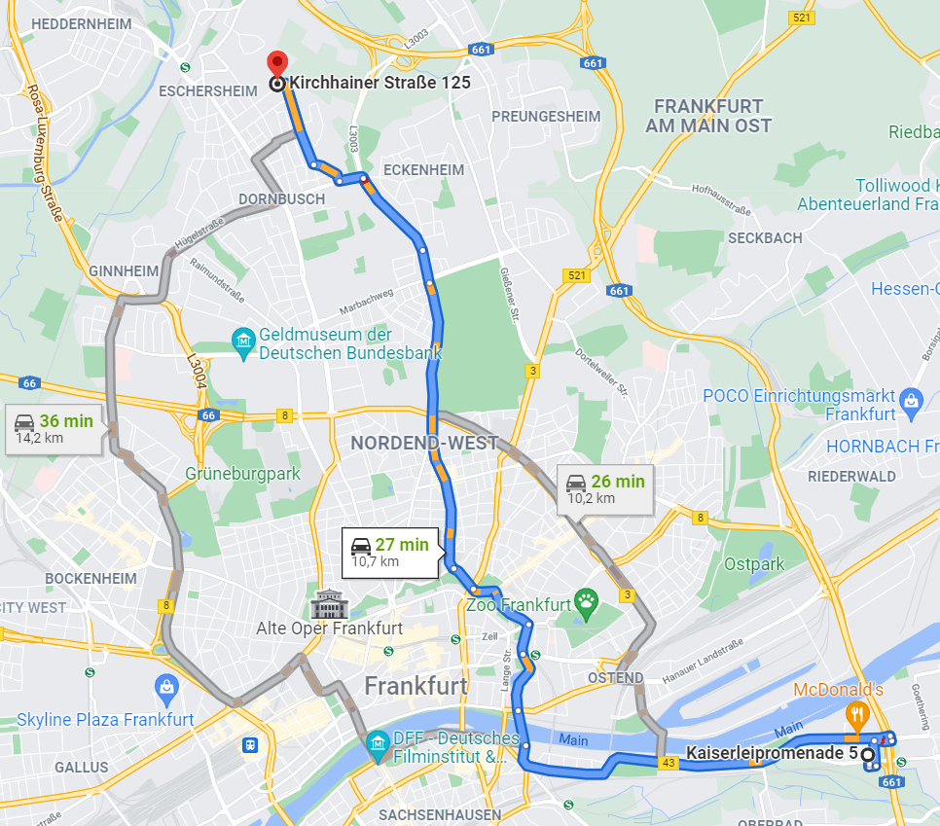
 |  |  |  |  |  |  | country | 232.2 | 233 | 0.8 | Am Wiesenhof
 |  |  |  |  |  |  | city | 233 | 239.2 | 6.2 | Schwanheimer Ufer
 |  |  |  |  |  |  | highway | 239.2 | 267 | 27.8
 |  |  |  |  |  |  | country | 267 | 273.3 | 6.3 | B42 - B3
 |  |  |  |  |  |  | city | 273.3 | 288.8 | 15.5
 |  |  |  |  |  |  | country | 288.8 | 293.2 | 4.4 | start B3
 |  |  |  |  |  |  | city | 293.2 | 296.5 | 3.3 | L3
 |  |  |  |  |  |  | city |  |  | 0 |  | Donnersbergring 40, 64295 Darmstadt | ohlstrasse to be checked
 |  |  |  |  |  |  | country | 296.5 | 298.2 | 1.7 |  | to chech eberstrasse - ohlstrasse
 |  |  |  |  |  |  | city | 298.2 | 299.6 | 1.4
 |  |  |  |  |  |  | country | 299.6 | 305.8 | 6.2
 |  |  |  |  |  |  | city | 305.8 | 310 | 4.2
 |  |  |  |  |  |  | country | 310 | 311.1 | 1.1
 |  |  |  |  |  |  | city | 311.1 | 317 | 5.9
 |  |  |  |  |  |  | country | 317 | 319.7 | 2.7
 |  |  |  |  |  |  | city | 319.7 | 322.2 | 2.5
 |  |  |  |  |  |  | country | 322.2 | 325.3 | 3.1
 |  |  |  |  |  |  | city | 325.3 | 327.1 | 1.8
 |  |  |  |  |  |  | country | 327.1 | 330.6 | 3.5
 |  |  |  |  |  |  | city | 330.6 | 332.4 | 1.8
 |  |  |  |  |  |  | country | 332.4 | 338.1 | 5.7
 |  |  |  |  |  |  | city | 338.1 | 340 | 1.9
 |  |  |  |  |  |  | country | 340 | 341 | 1
 |  |  |  |  |  |  | highway | 341 | 363.1 | 22.1 | A60
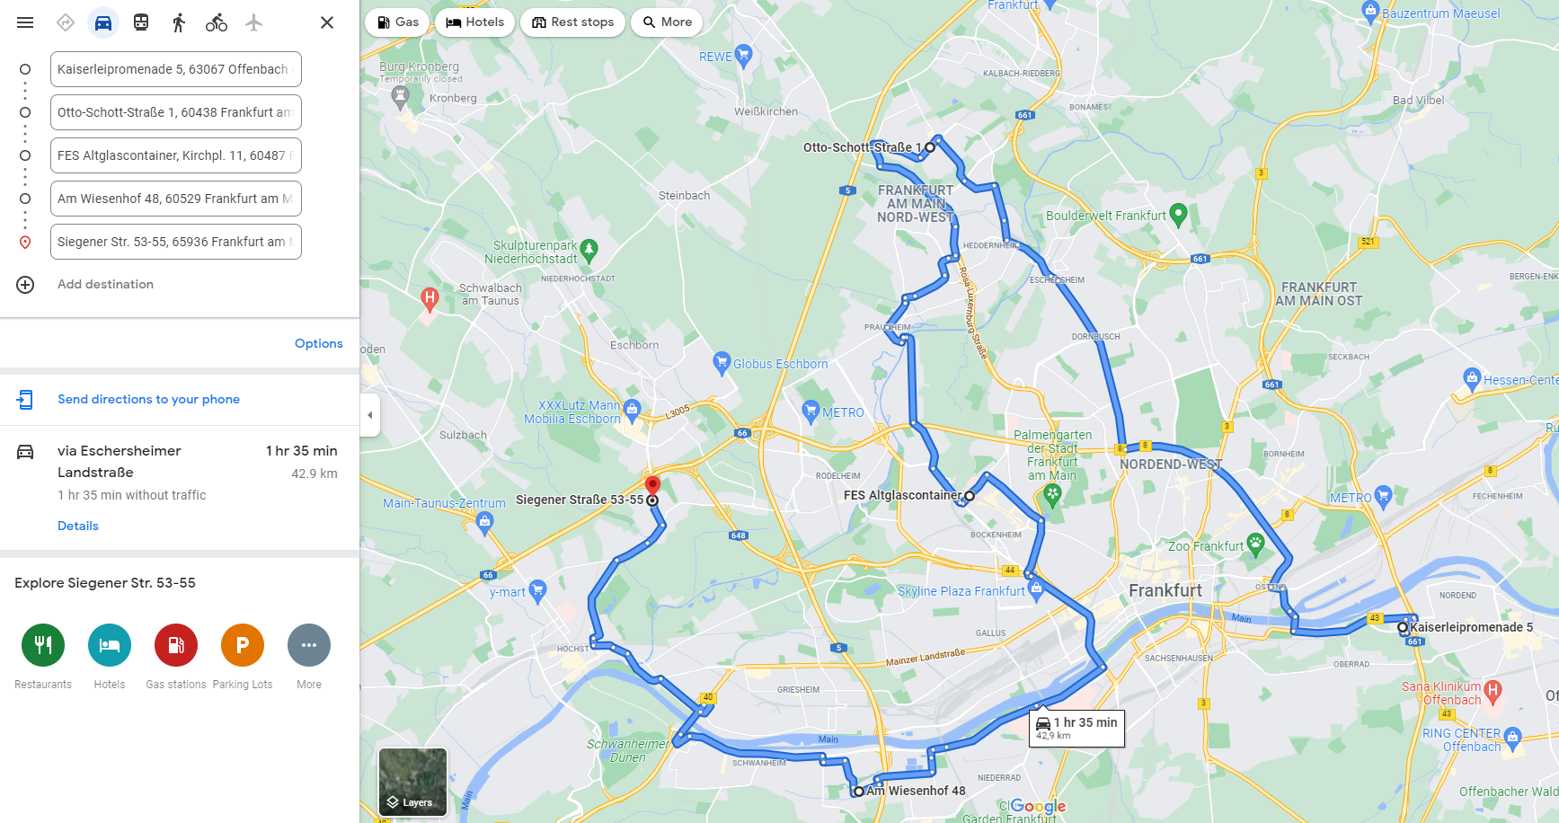
 |  |  |  |  |  |  | city | 363.1 | 368.1 | 5 | B455
 |  |  |  |  |  |  | country | 368.1 | 374.7 | 6.6
 |  |  |  |  |  |  | city | 374.7 | 380.5 | 5.8
 |  |  |  |  |  |  | country | 380.5 | 388.7 | 8.2
 |  |  |  |  |  |  | city | 388.7 | 391.1 | 2.4
 |  |  |  |  |  |  | country |  |  | 0
 |  |  |  |  |  |  | city |  |  | 0
 |  |  |  |  |  |  | country |  |  | 0
 |  |  |  |  |  |  | city

